AMS_Webservers_AvailableMBytes
SEM03VVM-004 (WebServer1) - Memory Available Mbytes

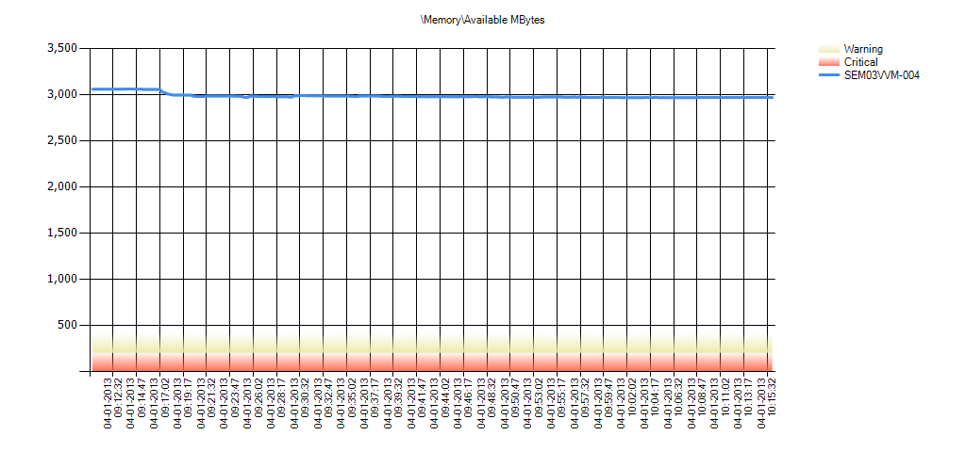

 | Condition | \Memory\Available MBytes | Min | Avg | Max | Hourly Trend | Std Deviation | 10% of Outliers Removed | 20% of Outliers Removed | 30% of Outliers Removed
 | OK | SEM03VVM-004 | 2,967 | 2,986 | 3,061 | -84 | 26 | 2,978 | 2,976 | 2,974

SEM03VVM-005 (WebServer2) - Memory Available Mbytes



 | Condition | \Memory\Available MBytes | Min | Avg | Max | Hourly Trend | Std Deviation | 10% of Outliers Removed | 20% of Outliers Removed | 30% of Outliers Removed
 | OK | SEM03VVM-005 | 2,753 | 3,054 | 3,176 | -149 | 44 | 3,044 | 3,039 | 3,035

SEM03VVM-006 (WebServer3) - Memory Available Mbytes



 | Condition | \Memory\Available MBytes | Min | Avg | Max | Hourly Trend | Std Deviation | 10% of Outliers Removed | 20% of Outliers Removed | 30% of Outliers Removed
 | OK | SEM03VVM-006 | 3,050 | 3,076 | 3,180 | -114 | 28 | 3,068 | 3,065 | 3,063

SEM03VVM-007 (WebServer4) - Memory Available Mbytes



 | Condition | \Memory\Available MBytes | Min | Avg | Max | Hourly Trend | Std Deviation | 10% of Outliers Removed | 20% of Outliers Removed | 30% of Outliers Removed
 | OK | SEM03VVM-007 | 2,955 | 3,059 | 3,167 | -122 | 29 | 3,051 | 3,049 | 3,047

SEM03VVM-008 (WebServer5) - Memory Available Mbytes

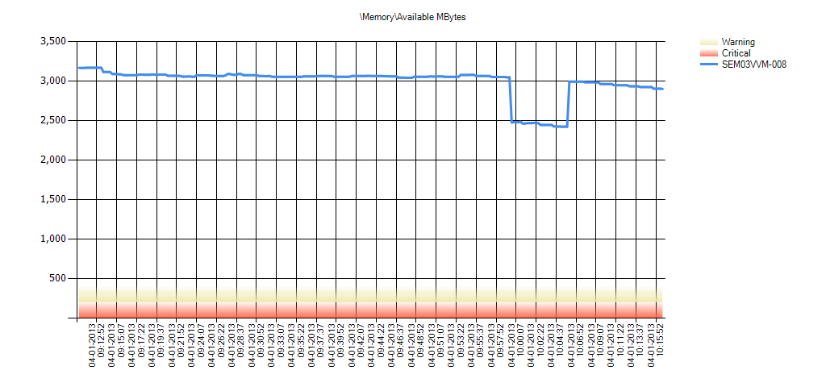

 | Condition | \Memory\Available MBytes | Min | Avg | Max | Hourly Trend | Std Deviation | 10% of Outliers Removed | 20% of Outliers Removed | 30% of Outliers Removed
 | OK | SEM03VVM-008 | 2,423 | 2,991 | 3,169 | -230 | 185 | 2,976 | 2,963 | 2,948

SEM03VVM-009 (WebServer6) - Memory Available Mbytes



 | Condition | \Memory\Available MBytes | Min | Avg | Max | Hourly Trend | Std Deviation | 10% of Outliers Removed | 20% of Outliers Removed | 30% of Outliers Removed
 | OK | SEM03VVM-009 | 3,043 | 3,069 | 3,174 | -120 | 26 | 3,062 | 3,060 | 3,058

SEM03VVM-010 (WebServer7) - Memory Available Mbytes



 | Condition | \Memory\Available MBytes | Min | Avg | Max | Hourly Trend | Std Deviation | 10% of Outliers Removed | 20% of Outliers Removed | 30% of Outliers Removed
 | OK | SEM03VVM-010 | 2,766 | 3,048 | 3,092 | -56 | 27 | 3,044 | 3,041 | 3,037

SEM03VVM-011 (WebServer8) - Memory Available Mbytes

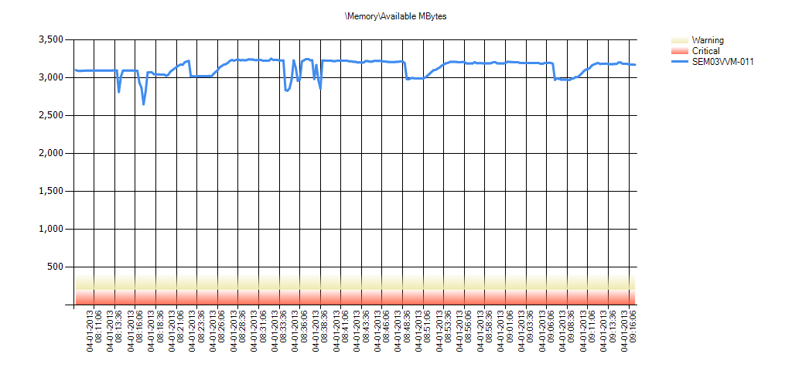

 | Condition | \Memory\Available MBytes | Min | Avg | Max | Hourly Trend | Std Deviation | 10% of Outliers Removed | 20% of Outliers Removed | 30% of Outliers Removed
 | OK | SEM03VVM-011 | 2,650 | 3,136 | 3,251 | 82 | 100 | 3,125 | 3,112 | 3,099

SEM03VVM-012 (WebServer9)- Memory Available Mbytes



 | Condition | \Memory\Available MBytes | Min | Avg | Max | Hourly Trend | Std Deviation | 10% of Outliers Removed | 20% of Outliers Removed | 30% of Outliers Removed
 | OK | SEM03VVM-012 | 3,073 | 3,096 | 3,133 | -48 | 14 | 3,092 | 3,090 | 3,089

SEM03VVM-013 (WebServer10)- Memory Available Mbytes

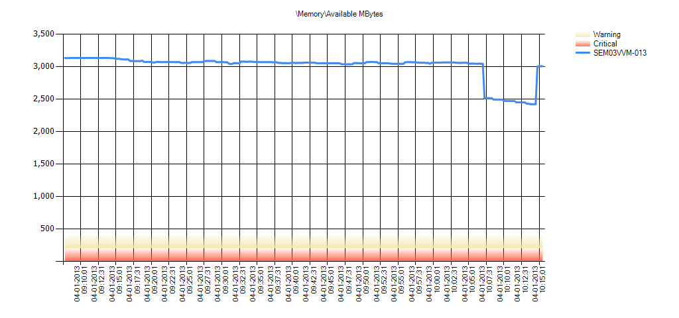

 | Condition | \Memory\Available MBytes | Min | Avg | Max | Hourly Trend | Std Deviation | 10% of Outliers Removed | 20% of Outliers Removed | 30% of Outliers Removed
 | OK | SEM03VVM-013 | 2,422 | 3,004 | 3,133 | -644 | 191 | 2,990 | 2,977 | 2,963

SEM03VVM-014 (WebServer11)- Memory Available Mbytes

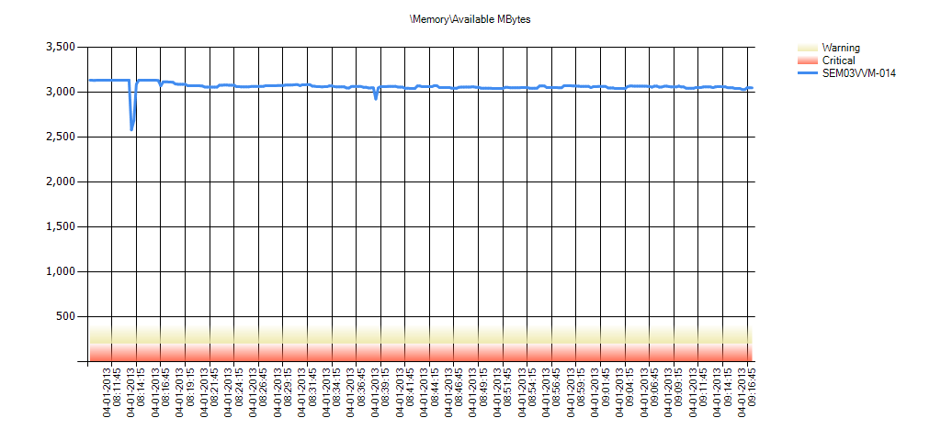

 | Condition | \Memory\Available MBytes | Min | Avg | Max | Hourly Trend | Std Deviation | 10% of Outliers Removed | 20% of Outliers Removed | 30% of Outliers Removed
 | OK | SEM03VVM-014 | 2,580 | 3,064 | 3,134 | -72 | 46 | 3,057 | 3,053 | 3,050

SEM03VVM-015 (WebServer12)- Memory Available Mbytes



 | Condition | \Memory\Available MBytes | Min | Avg | Max | Hourly Trend | Std Deviation | 10% of Outliers Removed | 20% of Outliers Removed | 30% of Outliers Removed
 | OK | SEM03VVM-015 | 3,076 | 3,094 | 3,135 | -43 | 14 | 3,090 | 3,088 | 3,086

SEM03VVM-016 (WebServer13)- Memory Available Mbytes

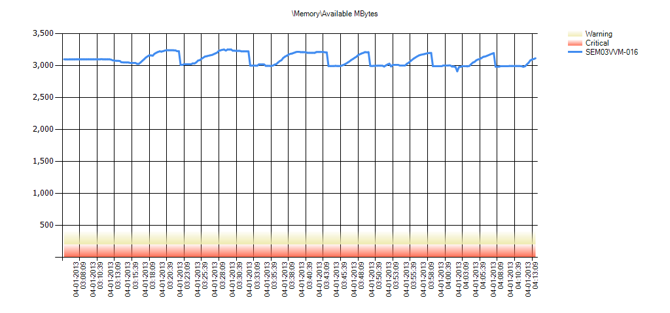

 | Condition | \Memory\Available MBytes | Min | Avg | Max | Hourly Trend | Std Deviation | 10% of Outliers Removed | 20% of Outliers Removed | 30% of Outliers Removed
 | OK | SEM03VVM-016 | 2,911 | 3,093 | 3,252 | -98 | 89 | 3,077 | 3,060 | 3,043

SEM03VVM-017 (WebServer14)- Memory Available Mbytes

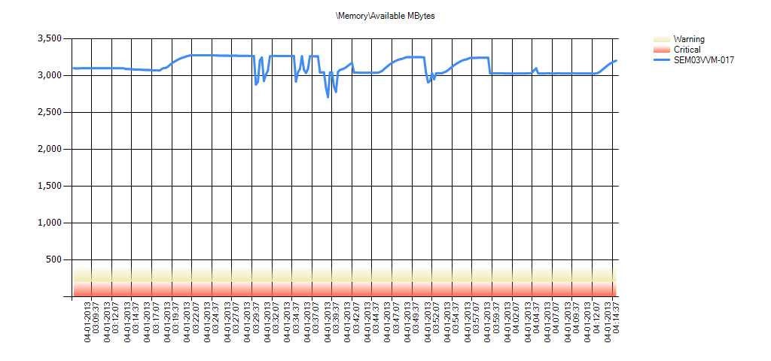

 | Condition | \Memory\Available MBytes | Min | Avg | Max | Hourly Trend | Std Deviation | 10% of Outliers Removed | 20% of Outliers Removed | 30% of Outliers Removed
 | OK | SEM03VVM-017 | 2,709 | 3,124 | 3,277 | -66 | 108 | 3,108 | 3,088 | 3,066

SEM03VVM-018 (WebServer15)- Memory Available Mbytes

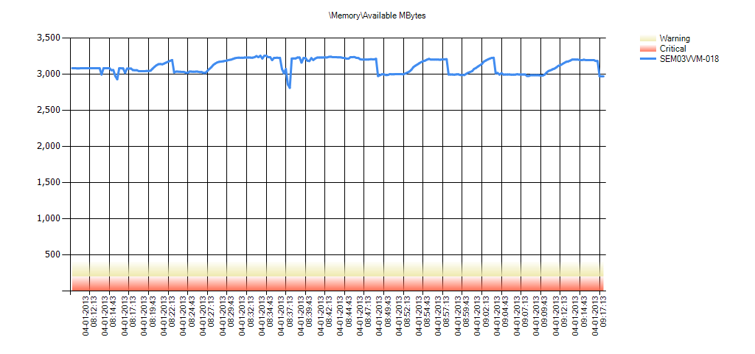

 | Condition | \Memory\Available MBytes | Min | Avg | Max | Hourly Trend | Std Deviation | 10% of Outliers Removed | 20% of Outliers Removed | 30% of Outliers Removed
 | OK | SEM03VVM-018 | 2,811 | 3,113 | 3,255 | 110 | 96 | 3,099 | 3,084 | 3,066

SEM03VVM-019 (WebServer16) - Memory Available Mbytes

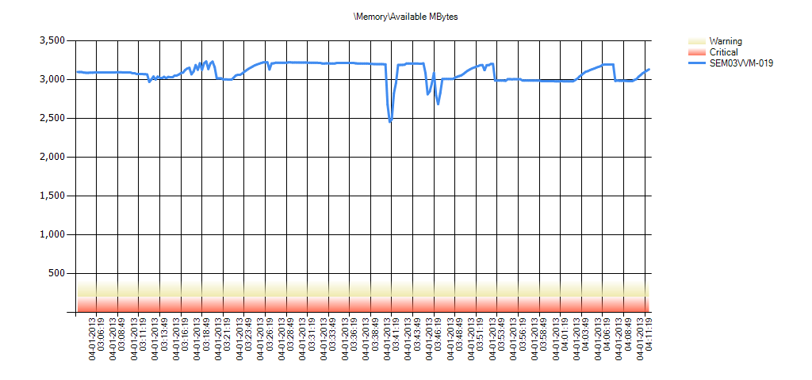

 | Condition | \Memory\Available MBytes | Min | Avg | Max | Hourly Trend | Std Deviation | 10% of Outliers Removed | 20% of Outliers Removed | 30% of Outliers Removed
 | OK | SEM03VVM-019 | 2,456 | 3,093 | 3,234 | -80 | 115 | 3,079 | 3,062 | 3,042

AMS_App server_AvailableMBytes
SEM03VVM-002 (Application Server) - Memory Available Mbytes

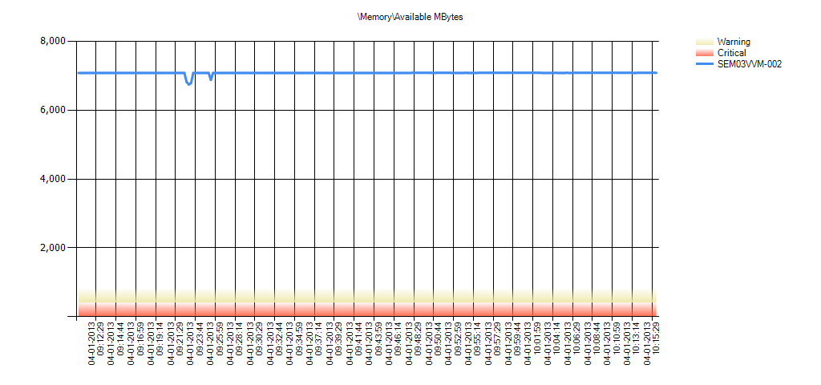

 | Condition | \Memory\Available MBytes | Min | Avg | Max | Hourly Trend | Std Deviation | 10% of Outliers Removed | 20% of Outliers Removed | 30% of Outliers Removed
 | OK | SEM03VVM-002 | 6,745 | 7,078 | 7,083 | 3 | 34 | 7,078 | 7,077 | 7,076

AMS_File server_AvailableMBytes
SEM03VVM-003 (File Server) - Memory Available Mbytes

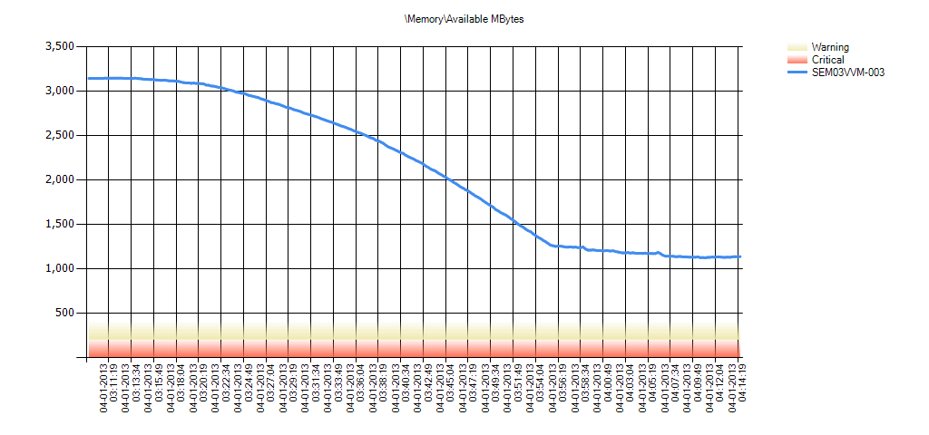

 | Condition | \Memory\Available MBytes | Min | Avg | Max | Hourly Trend | Std Deviation | 10% of Outliers Removed | 20% of Outliers Removed | 30% of Outliers Removed
 | OK | SEM03VVM-003 | 1,125 | 2,141 | 3,146 | -1,919 | 786 | 2,030 | 1,898 | 1,744

